Sheet1
SMC CORPORATION |  |  |  |  | Manifold Specification Sheet (SV2000 series EX260 Serial Wiring type)
Fill in the columns below.
Company |  |  |  |  |  |  |  |  |  |  | Department |  |  |  |  |  |  |  |  |  |  |  |  |  |  |  |  |  |  | Person in charge
TEL |  |  |  |  |  |  |  |  |  |  | FAX |  |  |  |  |  |  |  |  |  |  |  |  |  |  |  |  |  |  | Repeat
Unit (No.) |  |  |  |  |  |  |  |  |  |  | Drawing No. |  |  |  |  |  |  |  |  |  |  |  |  |  |  |  |  |  |  | Production No.

Order Model No.(Order with this model no.)
Manifold Model No. |  |  |  |  |  |  |  |  |  |  |  |  |  |  |  |  |  |  |  |  |  |  |  |  |  |  |  |  |  |  |  |  |  |  |  |  |  |  | SMC use only
Fill in □ by making reference to
how to fill in specifications.
Fill in specifications with a symbol for
the part marked
with ∗.
※When SI unit
specifications
is NC and ND.
How to Order Manifold |  |  |  |  |  | ― | SS5V2 |  |  | ― |  | W10S1 |  |  |  |  |  |  | D |  | ― |  |  |  |  |  |  |  |  | ― |  |  |  | ―
 |  |  |  |  |  | ― | SS5V2 |  |  | ― |  | 10S1 |  |  |  |  |  |  | D |  | ― |  |  |  |  |  |  |  |  | ― |  |  |  | ―
 |  |  |  |  | (A) |  |  |  |  |  |  |  |  |  |  |  | (B) |  |  |  |  |  | (C) |  |  | (D) |  | (E) |  |  |  | (F) |  |  |  | (G)
How to Order Valve
5-Port Solenoid Valve |  |  |  |  |  | ― | SV2 |  |  | * |  | 0 |  | 0 |  | * |  | ― |  | 5 |  | F |  |  |  |  |  | ―

 |  |  |  |  | (A) |  |  |  |  | ( H ) |  |  |  |  |  | ( I ) |  |  |  |  |  |  |  | (J) |  | (K) |  |  |  | (L)
 |  |  |  |  | Please specify the part number when preparing a component list.
Specifications Table |  |  |  |  | Specify "O" for the applicable stations (Arrangement) for the options, air supply/exhaust-block assembly for special specifications.
 |  |  |  |  |  |  |  |  | Ｕ Side |  | 20 |  | 19 |  | 18 |  | 17 |  | 16 |  | 15 |  | 14 |  | 13 |  | 12 |  | 11 |  | 10 |  | 9 |  | 8 |  | 7 | 6 | 5 | 4 | 3 | 2 | 1 |  | D Side
(H) How to Order Valve

( I ) External pilot type

A,B port size
Option |  | SUP. Blocking disk Ass'y
 |  | SV2000-59-1A
 |  | EXH. Blocking disk Ass'y
 |  | SV2000-59-2A
 |  | Blanking plate Ass'y
 |  | SV2000-67-1A
 |  | Individual SUP.spacer Ass'y
 |  | SV2000-38-1□A |  |  |  |  |  |  |  |  |  |  |  |  |  |  |  |  |  |  |  |  |  |  |  |  |  |  |  |  |  |  |  |  |  |  |  |  |  |  |  |  |  |  |  | Cut along this line
 |  | Individual EXH.spacer Ass'y
 |  | SV2000-39-1□A
 |  | Individual SUP./EXH.spacer (Double-stack)
 |  | SV2000-88-1□A
 |  | Relay output module | No. of output point:1 output
 |  |  | SV2000-60-5A-1A
 |  |  | No. of output point:2 outputs
 |  |  | SV2000-60-5B-1A
 |  | Interface regulator (P)
 |  | SV2000-□□－P
 |  | Interface regulator (A1)
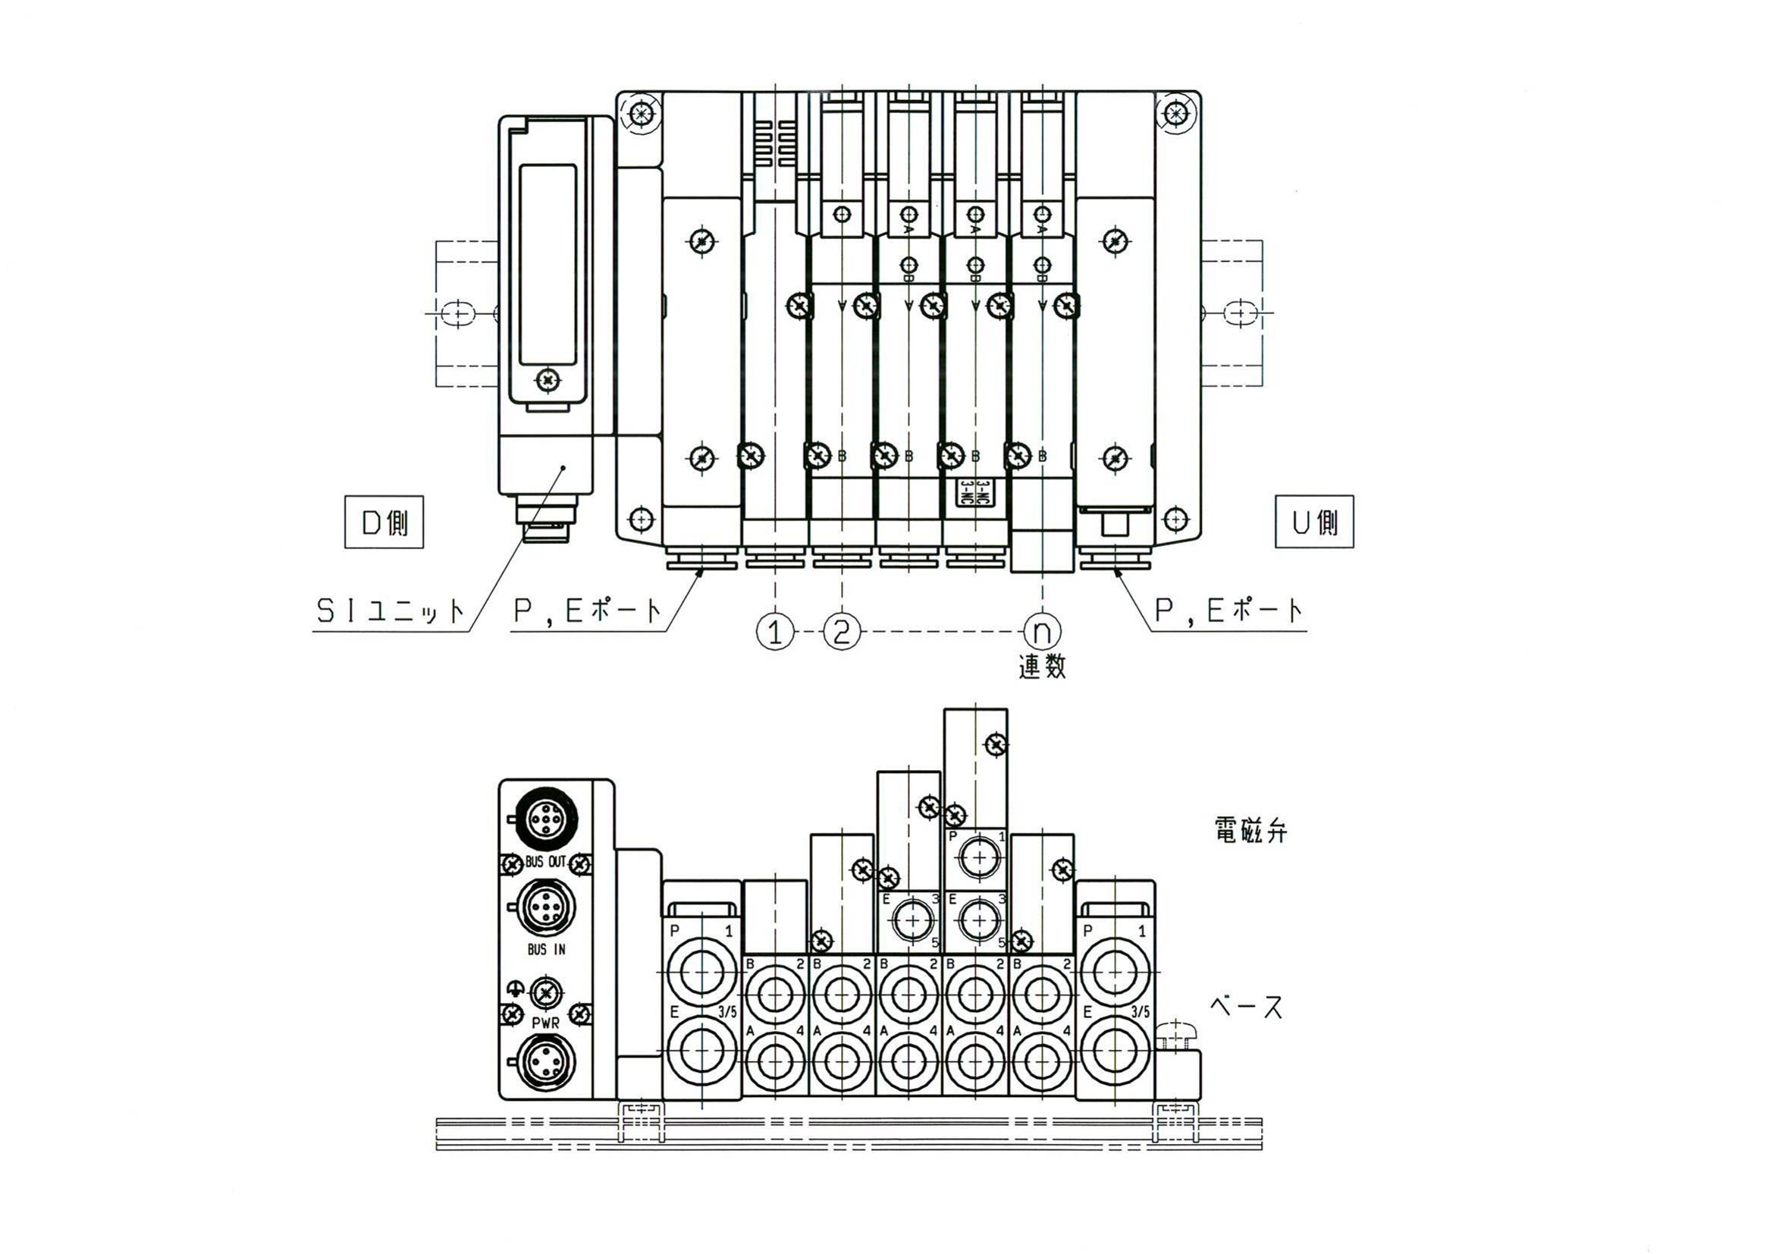
U side
P, E port
Base
Valve
SI unit
P, E port
D side
Stations
 |  | SV2000-□□－A1
 |  | Interface regulator (B1)
 |  | SV2000-□□－B1
Wiring specification |  | Single wiring
 |  | Double wiring
Plugs |  | A port (mounting)
 |  | B port (mounting)
 |  | P port (mounting)
 |  | E port (mounting)
 |  | X port (mounting)
 |  | PE port (mounting)
 |  |  |  |  |  |  |  |  | Ｕ Side |  | 20 |  | 19 |  | 18 |  | 17 |  | 16 |  | 15 |  | 14 |  | 13 |  | 12 |  | 11 |  | 10 |  | 9 |  | 8 |  | 7 | 6 | 5 | 4 | 3 | 2 | 1 |  | D Side

Note 1) Write option down with
fittings.
Note 2) Simple special: Plug and
fitting can bemounted.
Other than simple special:
Plug, fitting and silencer
and included.
Plugs List (Specify the plug with a symbol in the "Specifications Table".)
A,B port |  |  |  |  |  |  |  |  |  |  |  |  |  |  |  |  |  |  |  | X,PE port |  |  |  |  |  |  |  |  |  | P,E port
C4 (N3) |  |  |  | C6 (N7) |  |  |  |  |  | C8 (N9) |  |  |  |  |  |  |  |  |  | C4 (N3 , 5/32") |  |  |  |  |  |  |  |  |  | C10 (N11 , 3/8")
A | KQ2P-04 |  |  | D | KQ2P-06 |  |  |  |  | F |  | KQ2P-08 |  |  |  |  |  |  |  | A |  | KQ2P-04 |  |  |  |  |  |  |  | L |  | KQ2P-10
B | (KQ2P-03) |  |  | E | (KQ2P-07) |  |  |  |  | H |  | (KQ2P-09) |  |  |  |  |  |  |  | B |  | (KQ2P-03) |  |  |  |  |  |  |  | M |  | (KQ2P-11)
C | VVQ1000-58A |  |  | C | VVQ1000-58A |  |  |  |  | C |  | VVQ1000-58A |  |  |  |  |  |  |  | J |  | SV1000-40A |  |  |  |  |  |  |  | N |  | AN20-C10
 |  |  |  |  |  |  |  |  |  |  |  |  |  |  |  |  |  |  |  |  |  |  |  |  |  |  |  |  |  | P |  | VVQ2000-58A

 |  |  |  |  |  |  |  |  |  |  |  |  |  | Customer and SMC use only |  |  |  |  |  |  |  |  |  |  |  |  |  |  |  |  |  |  |  |  |  |  |  |  |  |  |  |  |  |  | Serial No.E_SV2000-W10S1(EX260)-A

Customer code |  |  |  |  |  |  |  | U/C |  |  |  |  |  |  | Departmental code |  |  |  |  |  |  |  |  |  |  |  | Code for person in charge |  |  |  |  |  |  |  |  |  |  | Image registration no.
Fill in for faxed order |  |  |  | Customer's order no. |  |  |  |  |  |  |  |  |  |  |  |  |  |  |  |  |  |  | Date of delivery |  |  |  |  |  |  | / / (YY/MM/DD) |  |  |  |  |  |  |  | SMC's order no.
 |  |  |  |  |  |  |  |  |  |  |  |  |  | List of component product

Model No. |  |  |  |  |  |  |  |  |  | Qty. |  | Model No. |  |  |  |  |  |  |  |  |  |  |  |  |  |  |  |  |  | Qty. |  | Model No. |  |  |  |  |  |  |  |  |  |  |  | Qty.
1 |  |  |  |  |  |  |  |  |  |  |  | 6 |  |  |  |  |  |  |  |  |  |  |  |  |  |  |  |  |  |  |  | 11
2 |  |  |  |  |  |  |  |  |  |  |  | 7 |  |  |  |  |  |  |  |  |  |  |  |  |  |  |  |  |  |  |  | 12
3 |  |  |  |  |  |  |  |  |  |  |  | 8 |  |  |  |  |  |  |  |  |  |  |  |  |  |  |  |  |  |  |  | 13
4 |  |  |  |  |  |  |  |  |  |  |  | 9 |  |  |  |  |  |  |  |  |  |  |  |  |  |  |  |  |  |  |  | 14
5 |  |  |  |  |  |  |  |  |  |  |  | 10 |  |  |  |  |  |  |  |  |  |  |  |  |  |  |  |  |  |  |  | 15

