Sheet1
SMC CORPORATION |  |  |  |  |  | Manifold specifications (SY3000 series Bar Stock Base/ Individual Wiring SS5Y3-41）
■ Fill in the columns below.
Company |  |  |  |  |  |  |  |  | Department |  |  |  |  |  |  |  |  |  |  |  | Person in charge
TEL |  |  |  |  |  |  |  |  | FAX |  |  |  |  |  |  |  |  |  |  |  | Repeat
Unit (No.) |  |  |  |  |  |  |  |  | Drawing No. |  |  |  |  |  |  |  |  |  |  |  | Production No.
■ Order Model No.(Order with this model no.)
Manifold Model No. |  |  |  |  |  |  |  |  |  |  |  |  |  |  |  |  |  |  |  |  |  |  |  | SMC use only

 | ■ How to Order Manifold |  |  |  |  |  |  |  | - | SS5Y3 |  |  | - | 41 | - |  |  | -
 |  |  |  |  |  |  |  | (A) |  |  |  |  |  |  |  | (Ｂ) |  |  | (Ｃ) |  | (D) |  | Fill in □by making reference to
 | ■ How to Order Valve |  |  |  |  |  |  |  |  |  |  |  |  |  |  |  |  |  |  |  |  |  | how to Fill in specifications.
 |  |  | 3 port solenoid valve |  |  |  |  |  | - | SY3** |  |  | * | * | - |  |  |  |  | - |  |  | Fill in specifications with a symbol
 |  |  | 5 port solenoid valve |  |  |  |  |  |  | SY3*40 |  |  |  |  |  |  |  |  |  |  |  |  | for the part marked with *.
 |  |  |  |  |  |  |  | (A) |  |  |  |  |  |  |  | (E) | (F) | (G) | (H) |  | ( I )

 | ■ Connector Ass'y |  |  |  |  | SY100 |  |  | ― |  | ― |  | A | ― |  |  | ◎Select from the table of Connector Ass'y.

 | ■ Specifications Table |  |  |  |  | In case there is the station which the valve is not mounted on, the manifold can not be tested actuation.
 |  |  |  |  |  | U side | 20 | 19 | 18 | 17 | 16 | 15 | 14 | 13 | 12 | 11 | 10 | 9 | 8 | 7 | 6 | 5 | 4 | 3 | 2 | 1 | D side
How to Order Valve | 5 Port | 1 | 2 position single
 |  | 2 | 2 position double
 |  | 3 | 3 position closed center
 |  | 4 | 3 position exhaust center
 |  | 5 | 3 position pressure center
 | 3 Port | 15 | N.C. single
 |  | 25 | N.O. single
 |  | 15D | N.C.double
 |  | 25D | N.O.double
 | Coil specifications
注）・節電回路付は
DC24V,12Vのみです｡
・Ｍ８コネクタタイプは
ＤＣタイプのみです｡
Ｍ８コネクタタイプは、
節電回路付はありません。
Option | Blanking plate assembly |  |  |  |  |  |  |  |  |  |  |  |  |  |  |  |  |  |  |  |  |  |  |  |  |  |  |  |  | Cut along this line
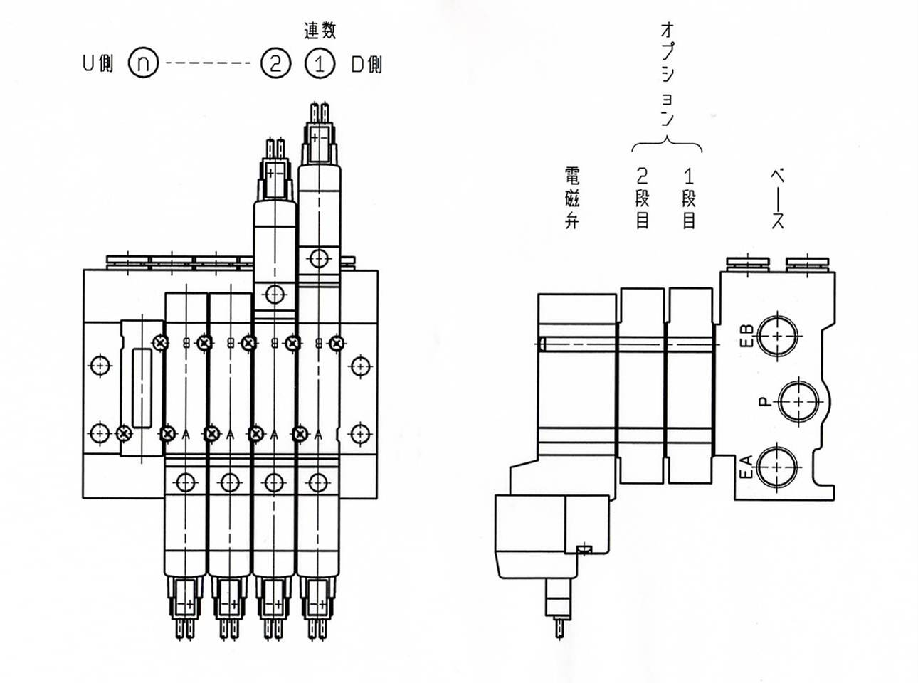
Manifold
base
Option
U side
D side
Station
2nd step
Solenoid valve
1st step
 | SY3000-26-9A
 | Individual SUP. spacer assembly
 | SY3000-38-2A
 | Individual EXH. spacer assembly
 | SY3000-39-2A
 | Interface regulator
 | ARBY3000-□□-P-2
 | Interface regulator
 | ARBY3000-□□-A1-2
 | Interface regulator
 | ARBY3000-□□-B1-2
*Fitting | A port (mounting )
 | B port (mounting)
 | P port (mounting)
 | EA port
 | EB port
 | X port
 | PE port
 |  |  |  |  |  | U side | 20 | 19 | 18 | 17 | 16 | 15 | 14 | 13 | 12 | 11 | 10 | 9 | 8 | 7 | 6 | 5 | 4 | 3 | 2 | 1 | D side
Note | 1.Specify the ports P, EA, and EB surrounded by only if the SUP/EXH spacer is selected, and its port needs a fitting.
 | The port size of the spacer is M5, so only fittings for M5 thread can be selected.
 | 2.The fittings marked with * interferes with each other, so only the single solenoid can be selected. The interface requlator
 | cannot be mounted together with the fittings.
 | 3. The fittings ＪＪ and ＬＬ can be used for either P port only or EA (EB) port.
*For multiple port sizes, describe either of
"C4","C6","M5","N3","N7"respectively into the
"A,B Port size" (For mixed mounting) of port A
and B of the “Specifications Table” for every
station.
 | *"Fitting" includes a fitting, silencer, and plug.

■ | List of Fittings (Enter a symbol to specifications to specify the fitting)
In case of A and B port |  |  |  |  |  |  |  |  |  | In case of P,EA and EB port
M5 |  |  |  | C4(N3) |  | C6(N7) |  |  |  | Rc1/8 |  |  |  | NPT1/8 |  |  |  | G,NPTF1/8
A | KQ2H23-M5N |  |  | ※N | KQ2L04-99 | ※W | KQ2L06-99 |  |  | AA | KQ2H06-01AS |  |  | HH | KQ2H07-34AS |  |  | SS | KQ2H01-U01A
B | KQ2H04-M5N |  |  |  | (A port only) |  | (A port only) |  |  | BB | KQ2H08-01AS |  |  | JJ | KQ2H09-34AS |  |  | TT | KQ2H03-U01A
C | KQ2S23-M5N |  |  | ※R | KQ2W04-99 | ※X | KQ2W06-99 |  |  | CC | KQ2L06-01AS |  |  | KK | KQ2L07-34AS |  |  | WW | KQ2H05-U01A
D | KQ2S04-M5N |  |  |  | (B port only) |  | (B port only) |  |  | DD | KQ2L08-01AS |  |  | LL | KQ2L09-34AS |  |  | XX | KQ2L01-U01A
E | KQ2S06-M5N |  |  | S | KQ2P-04 | Y | KQ2P-06 |  |  | EE | AN101-01 |  |  | MM | AN101-N01 |  |  | YY | KQ2L03-U01A
F | KQ2H23-M5A |  |  | T | (KQ2P-03) | Z | (KQ2P-07) |  |  | FF | AN110-01 |  |  | NN | AN110-N01 |  |  | ZZ | KQ2L05-U01A
G | KQ2H04-M5A |  |  |  |  |  |  |  |  | GG | AN10-01 |  |  | RR | AN10-N01 |  |  | AB | KQ2L07-U01A
H | KQ2S04-M5A |  |  |  |  |  |  |  |  | Hexagon socket head cap screw |  |  |  | Hexagon socket head cap screw |  |  |  | Hexagon socket head cap screw
J | KQ2S06-M5A
K | KQ2H01-M5A |  |  |  |  |  |  |  |  | PA | TB00094 |  |  | PB | TB00029 |  |  | <For G1/8>
L | M-5P |  |  |  |  |  |  |  |  |  |  |  |  |  |  |  |  | PC | TB00043
M | AN120-M5 |  |  |  |  |  |  |  |  |  |  |  |  |  |  |  |  | <For NPT1/,NPTF1/8>
Filling in example
 |  |  |  |  |  |  |  |  |  |  |  |  |  |  |  |  |  | PB | TB00029

 | Note 1) Write option down with fittings.
 | Note 2) Simple special: Plug and fitting can be mounted. (A silencer is included.)
 | Other than simple specials: Plug, fitting and silencer are included.
 |  |  |  |  |  |  |  |  |  |  |  |  | Customer and SMC use only |  |  |  |  |  |  |  |  |  |  |  |  |  |  | Serial No.SS5Y3-41

Customer code |  |  |  |  |  | U/C |  |  |  |  |  | Departmental code |  |  |  |  |  | Code for person in charge |  |  |  |  |  |  |  |  | Image registration no.
Fill in for faxed order |  |  |  | Customer's order no. |  |  |  |  |  |  |  | Date of delivery |  |  | / / (YY/MM/DD) |  |  |  |  |  |  |  |  | SMC's order no.
 |  |  |  |  |  |  |  |  |  |  |  |  | List of component product

Model No. |  |  |  |  |  |  |  |  | Qty. | Model No. |  |  |  |  |  |  |  |  |  |  | Qty. | Model No. |  |  |  |  |  |  | Qty.
1 |  |  |  |  |  |  |  |  |  | 6 |  |  |  |  |  |  |  |  |  |  |  | 11
2 |  |  |  |  |  |  |  |  |  | 7 |  |  |  |  |  |  |  |  |  |  |  | 12
3 |  |  |  |  |  |  |  |  |  | 8 |  |  |  |  |  |  |  |  |  |  |  | 13
4 |  |  |  |  |  |  |  |  |  | 9 |  |  |  |  |  |  |  |  |  |  |  | 14
5 |  |  |  |  |  |  |  |  |  | 10 |  |  |  |  |  |  |  |  |  |  |  | 15

Sheet2 (2)
How to Fill in Specifications

(Ⅰ)How to Order Manifold

･ | Enter a symbol in of (A), (C),(D) with making reference to the table below.
･ | Enter the number of stations (02 to 20) in of (B). (including the number of blanking plate assembly)

 | （Ａ）Made to order |  |  |  |  | (C)A,B port size |  |  |  |  |  | （D)Thread type
 | Nil |  | Standard type |  |  | M5 | M5X0.8 |  |  |  |  | Nil | Rc
 | 10 |  | Clean series |  |  | C4 | One-touch fitting for 4 Dia. |  |  |  |  | F | G
 |  |  |  |  |  | C6 | One-touch fitting for 6 Dia. |  |  |  |  | N | NPT
 |  |  |  |  |  | N3 | One-touch fitting for 5/32" Dia. |  |  |  |  | T | NPTF
 |  |  |  |  |  | N7 | One-touch fitting for 1/4" Dia.
(Ⅱ)How to Order Valve
･ | Specify switching type marked with * at number of stations in the column of how to order valve by making reference
 | to how to order valve in the column of specifications.
･ | Specify the external pilot with "R" at the pilot type in the column of specifications. Nil means internal pilot.
・ | Specify "T" in the box for the coil specification at Specifications. If nothing is specified, it will be the standard specification (0.35W).
･ | Enter a symbol in of (E) to (J) with making reference to the tables below.
注）・ＡＣの場合、整流器でｻｰｼﾞ電圧の発生
を防止しているので、”Ｓ”ﾀｲﾌﾟはありま
せん。
・Ｒ，ＵはＤＣのみです。
 | (E)Rated voltage |  |  |  |  | (F) Electrical entry |  |  |  |  |  |  |  | (G) Light/surge voltage suppressor
 | For DC |  |  |  |  | G | Grommet, 300mm lead wire |  |  |  |  |  |  | Nil | Without light/surge voltage suppressor
 | 5 | 24VDC |  |  |  | H | Grommet, 600mm lead wire |  |  |  |  |  |  | S | With surge voltage suppressor
 | 6 | 12VDC |  |  |  | L | L plug connector |  | With lead wire |  |  |  |  | Z | With light/surge voltage suppressor
 | V | 6VDC |  |  |  | LN |  |  | Without lead wire |  |  |  |  | R | With surge voltage suppressor
 | S | 5VDC |  |  |  | LO |  |  | Without connector |  |  |  |  |  | (Non-polar type)
 | R | 3VDC |  |  |  | M | M plug connector |  | With lead wire |  |  |  |  | U | With light/surge voltage suppressor
 | For AC (50/60Hz) |  |  |  |  | MN |  |  | Without lead wire |  |  |  |  |  | (Non-polar type)
 | 1 | 100VAC |  |  |  | MO |  |  | Without connector |  |  |  |  | * For AC voltage valves there is no "S" option.
 | 2 | 200VAC |  |  |  | W0 | M8 connector |  | Without connector |  |  |  |  | It is already built-in to the rectifier circuit.
 | 3 | 110VAC[115VAC] |  |  |  | W1 |  |  | Cable length 300mm |  |  |  |  | * For "R" and "U", DC voltage is only available.
 | 4 | 220VAC[230VAC] |  |  |  | W2 |  |  | Cable length 500mm |  |  |  |  | * Power saving circuit is only available in the "Z" type.
 | Note) The power saving circuit |  |  |  |  | W3 |  |  | Cable length 1000mm
 | can be provided only with |  |  |  |  | W4 |  |  | Cable length 2000mm
 | 24VDC or 12VDC. |  |  |  |  | W5 |  |  | Cable length 3000mm |  |  |  |  |  |  |  |  | (J) Plug Connector Lead Wire Length
 | ･The M8 connector type |  |  |  |  | W6 |  |  | Cable length 4000mm |  |  |  |  |  |  |  |  | (The lead wire length can be selected only if the electrical is "L" or "M" type.)
 | only has DC type. The |  |  |  |  | W7 |  |  | Cable length 5000mm |  |  |  |  |  |  |  |  | Nil |  | Note 1)
 | M8 connector type dose not |  |  |  |  | Note) | The connector cable for the M8 connector is |  |  |  |  |  |  |  |  |  |  | A |  | 600mm | SY100-30-※A-6
 | provide the power saving type. |  |  |  |  |  | enclosed. |  |  |  |  |  |  |  |  |  |  | B |  | 1000mm | SY100-30-※A-10
 |  |  |  |  |  |  |  |  |  |  |  |  |  |  |  |  |  | C |  | 1500mm | SY100-30-※A-15
 |  |  |  |  |  |  |  |  |  |  |  |  |  |  |  |  |  | D |  | 2000mm | SY100-30-※A-20
 | (H) Manual override |  |  |  |  | ( I )Made to order |  |  |  |  |  |  |  |  |  |  |  | E |  | 2500mm | SY100-30-※A-25
 | Nil | Non-locking push type |  |  |  | Ｘ90 | Main Valve Fluoro Rubber Specifications |  |  |  |  |  |  |  |  |  |  | F |  | 3000mm | SY100-30-※A-30
 | D | Push-turn locking slotted type |  |  |  | Ｘ130 | Grommet, 1m lead wire |  |  |  |  |  |  |  |  |  |  | G |  | 5000mm | SY100-30-※A-50
 |  |  |  |  |  | Ｘ150 | Improved drainage resistance |  |  |  |  |  |  |  |  |  |  | H | With cover | 300mm | SY100-68-A
 | E | Push-turn locking lever type |  |  |  |  | and foreign matter resistance. |  |  |  |  |  |  |  |  |  |  | J |  | 600mm | SY100-68-※A-6
 |  |  |  |  |  | Refer to P.G. information for X130 and |  |  |  |  |  |  |  |  |  |  |  | K |  | 1000mm | SY100-68-※A-10
 |  |  |  |  |  | X150. |  |  |  |  |  |  |  |  |  |  |  | L |  | 1500mm | SY100-68-※A-15
 |  |  |  |  |  |  |  |  |  |  |  |  |  |  |  |  |  | M |  | 2000mm | SY100-68-※A-20
 | ◎Refer below table for selecting connector Ass’y. |  |  |  |  |  |  |  |  |  |  |  |  |  |  |  |  | N |  | 2500mm | SY100-68-※A-25
 | ● Connector Ass'y |  |  |  |  |  |  |  |  |  |  |  |  |  |  |  |  | specify a formal part number like “SY100-**-*A-**”, not just
 | Rated voltage |  |  |  |  |  | Connector Ass'y No.* |  |  |  | （J）Lead wire length |  |  |  |  |  |  | a symbol like “A” or “B”.
(J)
 | For DC |  |  |  |  |  | SY100-30-4A- |  |  |  | Symbol | Length
 |  |  |  |  |  |  |  |  |  |  | Nil | 300mm
(J)
 | For 100VAC |  |  |  |  |  | SY100-30-1A- |  |  |  | 6 | 600mm
 |  |  |  |  |  |  |  |  |  |  | 10 | 1000mm
(J)
 | For 200VAC |  |  |  |  |  | SY100-30-2A- |  |  |  | 15 | 1500mm
 |  |  |  |  |  |  |  |  |  |  | 20 | 2000mm
(J)
 | For other voltages of AC |  |  |  |  |  | SY100-30-3A- |  |  |  | 25 | 2500mm
 |  |  |  |  |  |  |  |  |  |  | 30 | 3000mm
(J)
 | Connector Ass'y with cover |  |  |  |  |  | SY100-68-A- |  |  |  | 50 | 5000mm

 | Note 1) If electrical entry is not of the followings, select "Nil"
 |  | ・Grommet
 |  | ・M8 connector.
 |  | ・L-type or M-type lead wire(lead wire length of 300mm) is provided.
 |  | ・Neither L-type or M-type lead wire nor connector is provided.
 | Note 2) Select the No lead wire type “LO” or “MO” at electrical entry in case connector Ass’y is selected.

 | (Ⅲ) Specifications
･ | Specify switching type with a symbol at how to order valve.
･ | Put "O" to a column for the selected specification as an option. For doubled spacer, put "1 (first spacer)" and "2 (second spacer)" at the columns.
･ | Specify the interface regulator with gauge with the symbol "G" . Not "O".
･ | Select a symbol from the list if a fitting is mounted. (A silencer will be enclosed.)

 | (Ⅲ) Specifications
 | Specify switching type with a symbol at how to order valve.
 | Put "O" to a column for the selected specification as an option. For doubled spacer, put "1 (first spacer)" and "2 (second spacer)" at the columns.
･ | Specify the interface regulator with gauge with the symbol "G" . Not "O".
･ | Select a symbol from the list if a fitting is mounted. (A silencer will be enclosed.)
･
･

 |  |  |  | U side | 20 | 19 |  | 3 | 2 | 1 | D side
 | 5 port |  |  |  |  |  |  |  | 15 | 1
 | 3 port
 | Coil specification |  |  |  |  |  |  |  |  |  |  |  | SS5Y3-41-02-M5 |  |  | ･････ Manifold base
 | Blanking plate assembly |  |  |  |  |  |  |  |  |  |  |  | *SY3140-5LZ |  |  | ･････ 1st station
 | Individual SUP spacer assembly |  |  |  |  |  |  |  |  |  |  |  | *SY3000-39-2A
 | Individual EXH spacer assembly |  |  |  |  |  |  |  |  | ○ |  |  | *SY315-5LZ |  |  | ･････ 2nd station
 | A port |  |  |  |  |  | Omitted
 | B port |  |  |  |  |  |  |  |  |  |  |  | P port at D side |  |  |  | : KQ2H06-01AS
 | P port |  |  | PA |  |  |  |  |  |  | AA |  | EA,EB port |  |  |  | : AN101-01
 | EA port |  |  | PA |  |  |  |  |  |  | EE |  | P,EA,EB port at U side |  |  |  | : Plug for all
 | EB port |  |  | PA |  |  |  |  |  |  | EE

